Budget 2018-2019
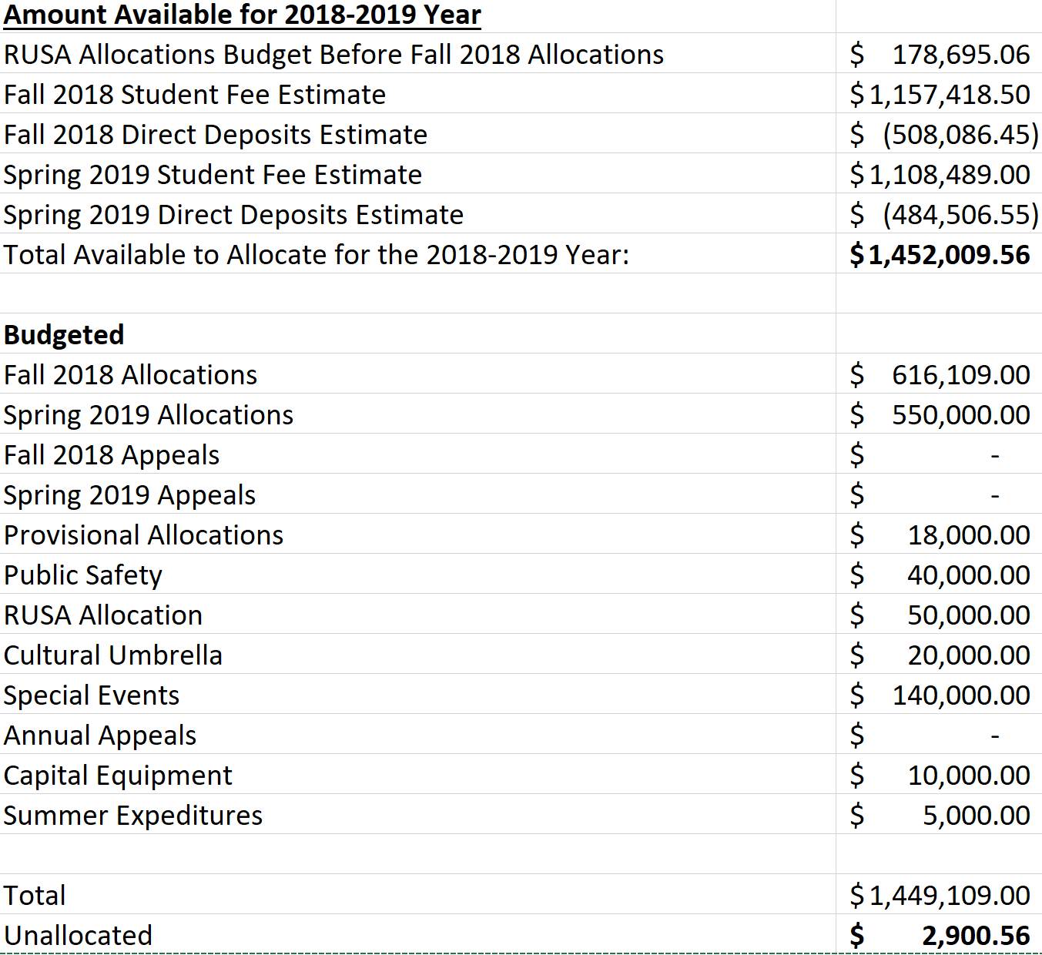
Amount Available as of Sept 10
Amount in Reserves |  | $197,138.15 | *increase due to closing out inactive accounts
RUSA Allocations Account (900) | $(56,852.28)

Spring 2018 Student Fee Actual | $1,098,885.00
Spring 2018 Direct Deposits Actual | $(491,157.75) |  |  | $360,966.61
Remaining Spring 2018 Appeals Actual | $(9,913.00) |  |  | $-253,990.43
Transfer of Reserves | $32,376.41 |  |  | $614,957.04 | $362,497.00
Spring Takeback Actual | $222,651.30 |  |  |  | $139,895.00
Total Available | $852,841.96 |  |  |  | $222,602.00

Amount Available for 2018-2019 Year
RUSA Allocations Budget Before Fall 2018 Allocations | $362,846.00
Fall 2018 Student Fee Estimate | $1,157,418.50
Fall 2018 Direct Deposits Estimate | $-508,086.45
Spring 2018 Student Fee Actual | $1,098,885.00
Spring 2018 Direct Deposits Actual | $-491,157.75
Total Available to Allocate for the 2018-2019 Year: | $1,619,905.30

Budgeted
Fall 2018 Allocations | $616,109.00 |  |  |  | $1,152.00 | less than expected
Spring 2019 Allocations | $610,502.00
Fall 2018 Appeals | $48,500.00
Spring 2019 Appeals | $45,000.00
Provisional Allocations | $-
Police Budget | $40,000.00 |  |  |  |  | $32,000.00
RUSA Allocation | $50,000.00 |  |  |  |  | Prior | Post
Cultural Umbrella | $20,000.00 |  |  |  | Annual Appeals: | $65,000.00 | $33,000.00
Special Events | $146,000.00 |  |  |  | Fall Appeals: | $50,000.00 | $65,000.00
Annual Appeals | $33,000.00 |  |  |  | Special Events | $140,000.00 | $146,000.00
Capital Equipment | $10,000.00 |  |  |  | Loan | $- | $11,000.00

Total | $1,619,111.00
Unallocated | $794.30

